Registeration
Test Case ID | Tite | description | Preconditions | Test Steps | Expected Result | Actual Result | Status | Evidence
1 | Successful Registeration | enter valid name and valid password for the account | open web site successfully | Enter name and password | Register Successfully | Register Successfully | Passed | 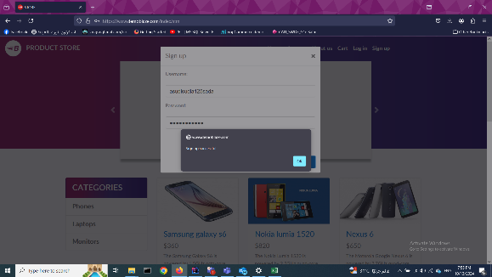
2 | Missing Name Field | enter only password and leave Name field empty | open web site successfully | Enter only password | Registeration Fail | Registeration Fail | Passed | 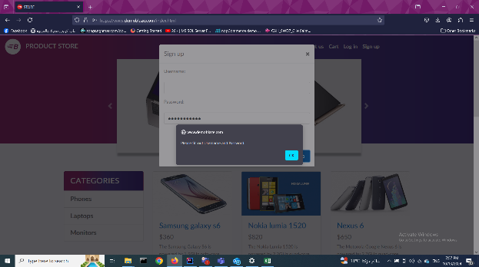
3 | Missing Password Field | enter only Name and leave password field empty | open web site successfully | Enter only name | Registeration Fail | Registeration Fail | Passed | 
4 | Register with Repeated user name | Try to enter the same username that entered for another account | open web site successfully | Enter repeated name and password | Registeration Fail | Registeration Fail | Passed | 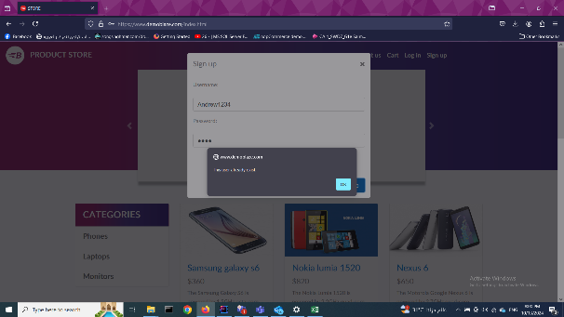
5

Log
Test Case ID | Tite | description | Preconditions | Test Steps | Expected Result | Actual Result | Status | Attachment
1 | Succesfill login | Enter valid username and password account | Register Successfully | Enter Name and Password | Login Successfully | Login Successfully | Passed | 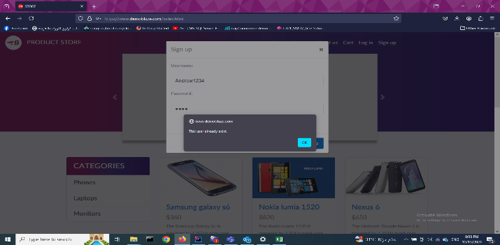
2 | Login with wrong password | Enter valid username and wrong password | Register Successfully | Enter Name and Wrong Password | Fail to Register | Fail to Register | Passed | 
3 | Login with wrong username | Enter wrong username | Register Successfully | Enter wrong Name and Password | Fail to Register | Fail to Register | Passed | 
4 | Uppercase Password | Enter valid username and valid password but uppercase | Register Successfully | Enter Valid Name and Valid Password but Uppercase | Fail to Register | Fail to Register | Passed | 
5 | Empty Email and Password | login without email and password | Register Successfully | Enter Nothing in Name and Password | Fail to Register | Fail to Register | Passed | 
6 | Empty Password | Login with Valid username and Empty password | Register Successfully | Enter Valid name Nothing in Password | Fail to Register | Fail to Register | Passed | 
7 | Empty Name | Login with Empty username and Valid password | Register Successfully | Enter Nothing in Name and Valid Password | Fail to Register | Fail to Register | Passed | 
8 | Logout | Logout | Succesfull Login | Click on Logout Tab | Logout Successfully | Logout Successfully | Passed | 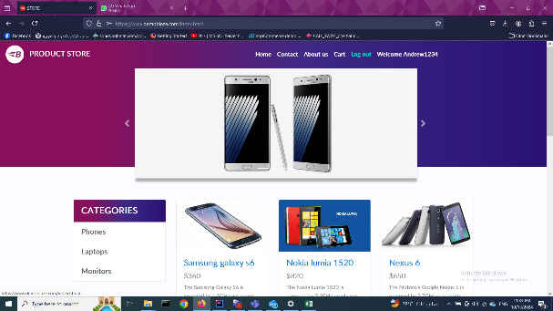 

Cart
Test Case ID | Tite | description | Preconditions | Test Steps | Expected Result | Actual Result | Status | Attachment
1 | Add item | Add single item to cart | Website open Succesfully | open home page then select item then click on add to cart | item added successfully | item added successfully | Passed
2 | add two items with the same type | add two items which have different type and check for them in cart and check for total price | Website open Succesfully | open home page then select the first item then click on add to cart then return to home page and select second item and click on add to cart | Items added successfully | Items added successfully | Passed | 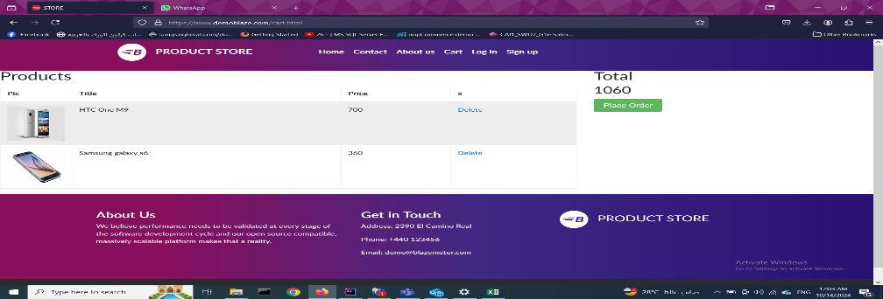
3 | add two items with the different type | add two items with the same type and check for them in cart and check for total price | Website open Succesfully | open home page then select the first item then click on add to cart then return to home page and select second item and click on add to cart | Items added successfully | Items added successfully | Passed
4 | Delete cart item | First we add item and then we delete it | Item added successfully | Open cart after adding item and click on Delete | item deleted successfully | item deleted successfully | Passed | 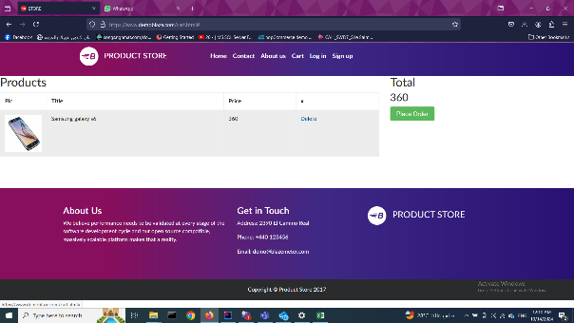 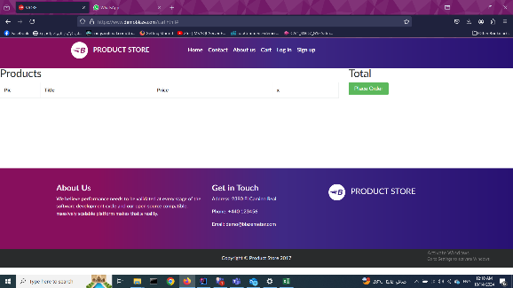

Placeorder
Test Case ID | Tite | description | Preconditions | Test Steps | Expected Result | Actual Result | Status | Attachment
1 | Purchase with no data | Purchase an item without enter any data | Add item Successfully | Click on Place Order Button the Click on Purchase Button | Purchase Fail | Purchase Fail | Passed | 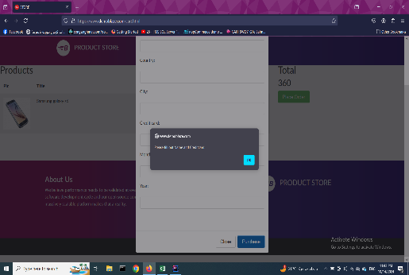
2 | Purchase with only name | Purchase an item without enter any data except name | Add item Successfully | Click on Place Order Buttonn then add name then Click on Purchase Button | Purchase Fail | Purchase Fail | Passed | 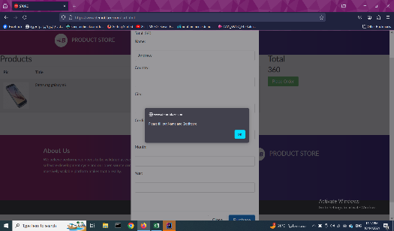
3 | Purchase with only Credit number | Purchase an item without enter any data except credit number | Add item Successfully | Click on Place Order Buttonn then add credit number then Click on Purchase Button | Purchase Fail | Purchase Fail | Passed | 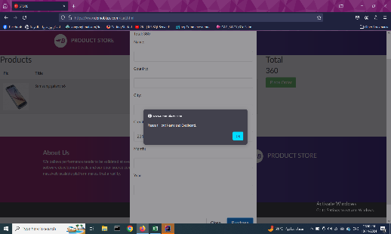
4 | Purchase with Only name and credit number | Purchase an item without enter any data except name and credit number | Add item Successfully | Click on Place Order Buttonn then add name and credit number then Click on Purchase Button | Purchase Succeed | Purchase Succeed | Passed | 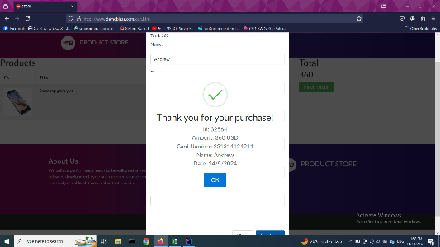
5 | Purchase with all data | Purchase an item with all data | Add item Successfully | Click on Place Order Buttonn then add all data then Click on Purchase Button | Purchase Succeed | Purchase Succeed | Passed | 